Intro
Invest NI Performance at Council Level
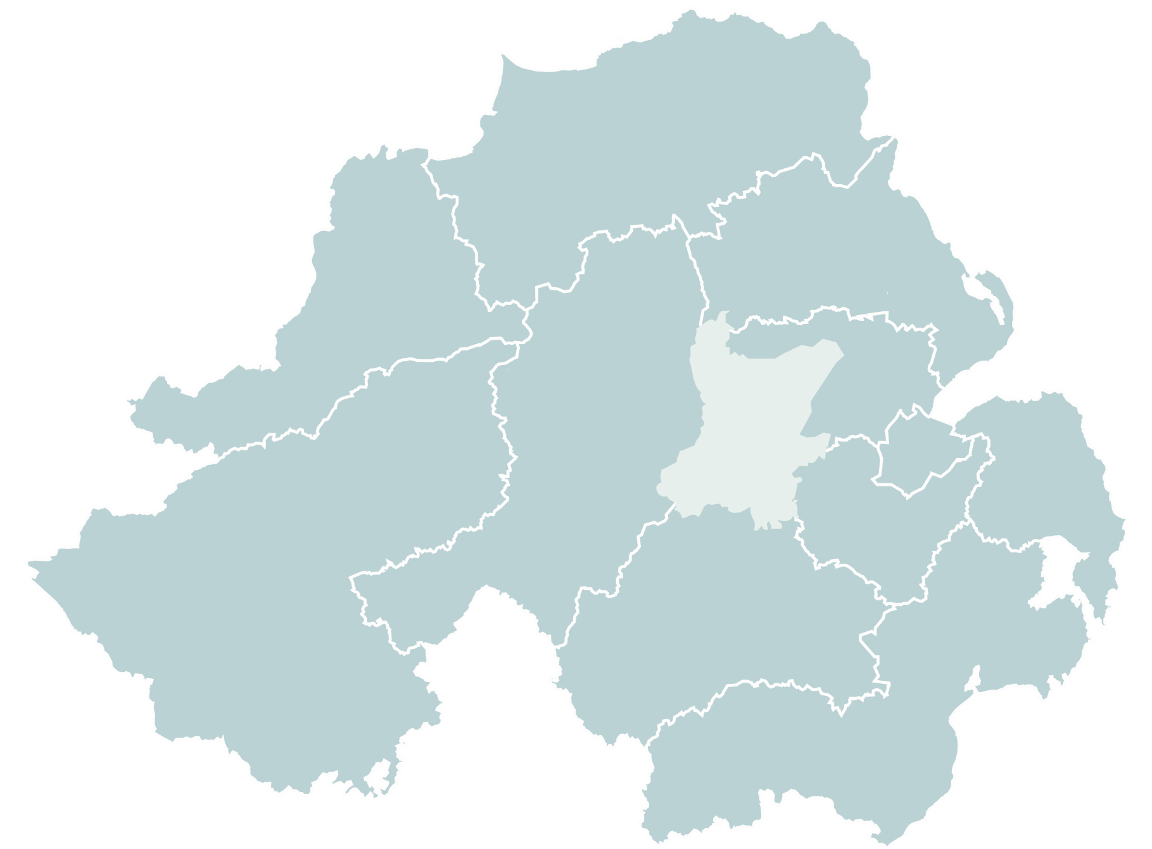
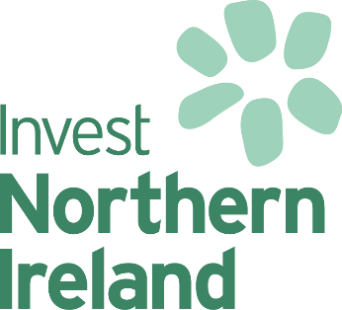
This workbook provides a regional breakdown of Invest NI's performance information by the 11 district council areas. The period under review is 1st April 2012 to 31st March 2017.
The information contained in this file will be updated at the end of each financial year, usually in May.
It is important to note that the information provided relates to the support we offer direct to businesses. In addition to this, we offer money to External Delivery Organisations (EDOs) and universities, who help administer some of our schemes – for example, NI Screen which supports the development and growth of the digital and creative industry. These organisations are specialists in their field and distribute this support to businesses across the whole of Northern Ireland.
To access this information please click on the measure that you are interested in:

Total Support | Jobs Promoted
Total Investment | Jobs Created
Number of Businesses | Type of Support
Number of Offers | EDOs \ Universities

For further information contact:
Darrell McCullough
Corporate Information Team
Invest NI
Tel: 028 9069 8291
Email: CIT@investni.com

corporate information
Jun-17
investni.com

Guide
Invest NI Performance at Council Level

To help you understand this information, here are some important things to know:
Information on councils relates to the support we offer direct to businesses. In addition, we offer money to External Delivery Organisations (EDOs) and universities, who help administer some of our schemes. These organisations are specialists in their field and distribute this support to businesses across the whole of Northern Ireland. Support offered to them can be found in the last tab below - "EDOUNI".
'Jobs promoted' are the jobs a company intends to create at the start of a project.
It can take, on average 3-5 years for a company to create all jobs.
'Jobs created' are the jobs actually in place at a specific point in time.
Jobs promoted in a year and jobs created in the same year cannot be directly compared.
The geographical spread of our support is dependent on where the businesses that seek our support are located, it is not allocated or directed to specific areas.
It is natural to see higher levels of support in areas in the east where 65% of businesses are based, and in areas where there are higher concentrations of businesses, like cities.
We report on the amount of money that we have offered businesses at the start of a project. This money is only paid when a business can demonstrate it has met the conditions of our offer – e.g. when jobs are actually in place. In some cases businesses may not receive all the money we offer.
Total Investment includes Invest NI support.
Figures include both projects that are specifically aimed at job creation and projects that are not; therefore, job numbers do not directly correlate with the assistance and investment figures.
Invest NI revises performance data on a regular basis to ensure that it reflects implemented projects; therefore, the data above may differ to previously published information.

corporate information
June 17
investni.com

